List table Notification
API Send Noti
https://bluebik-team.atlassian.net/wiki/spaces/TNS/pages/117899313/POST+ms-notifications+v1+notifications+message+send+-+R1+S8-3.1

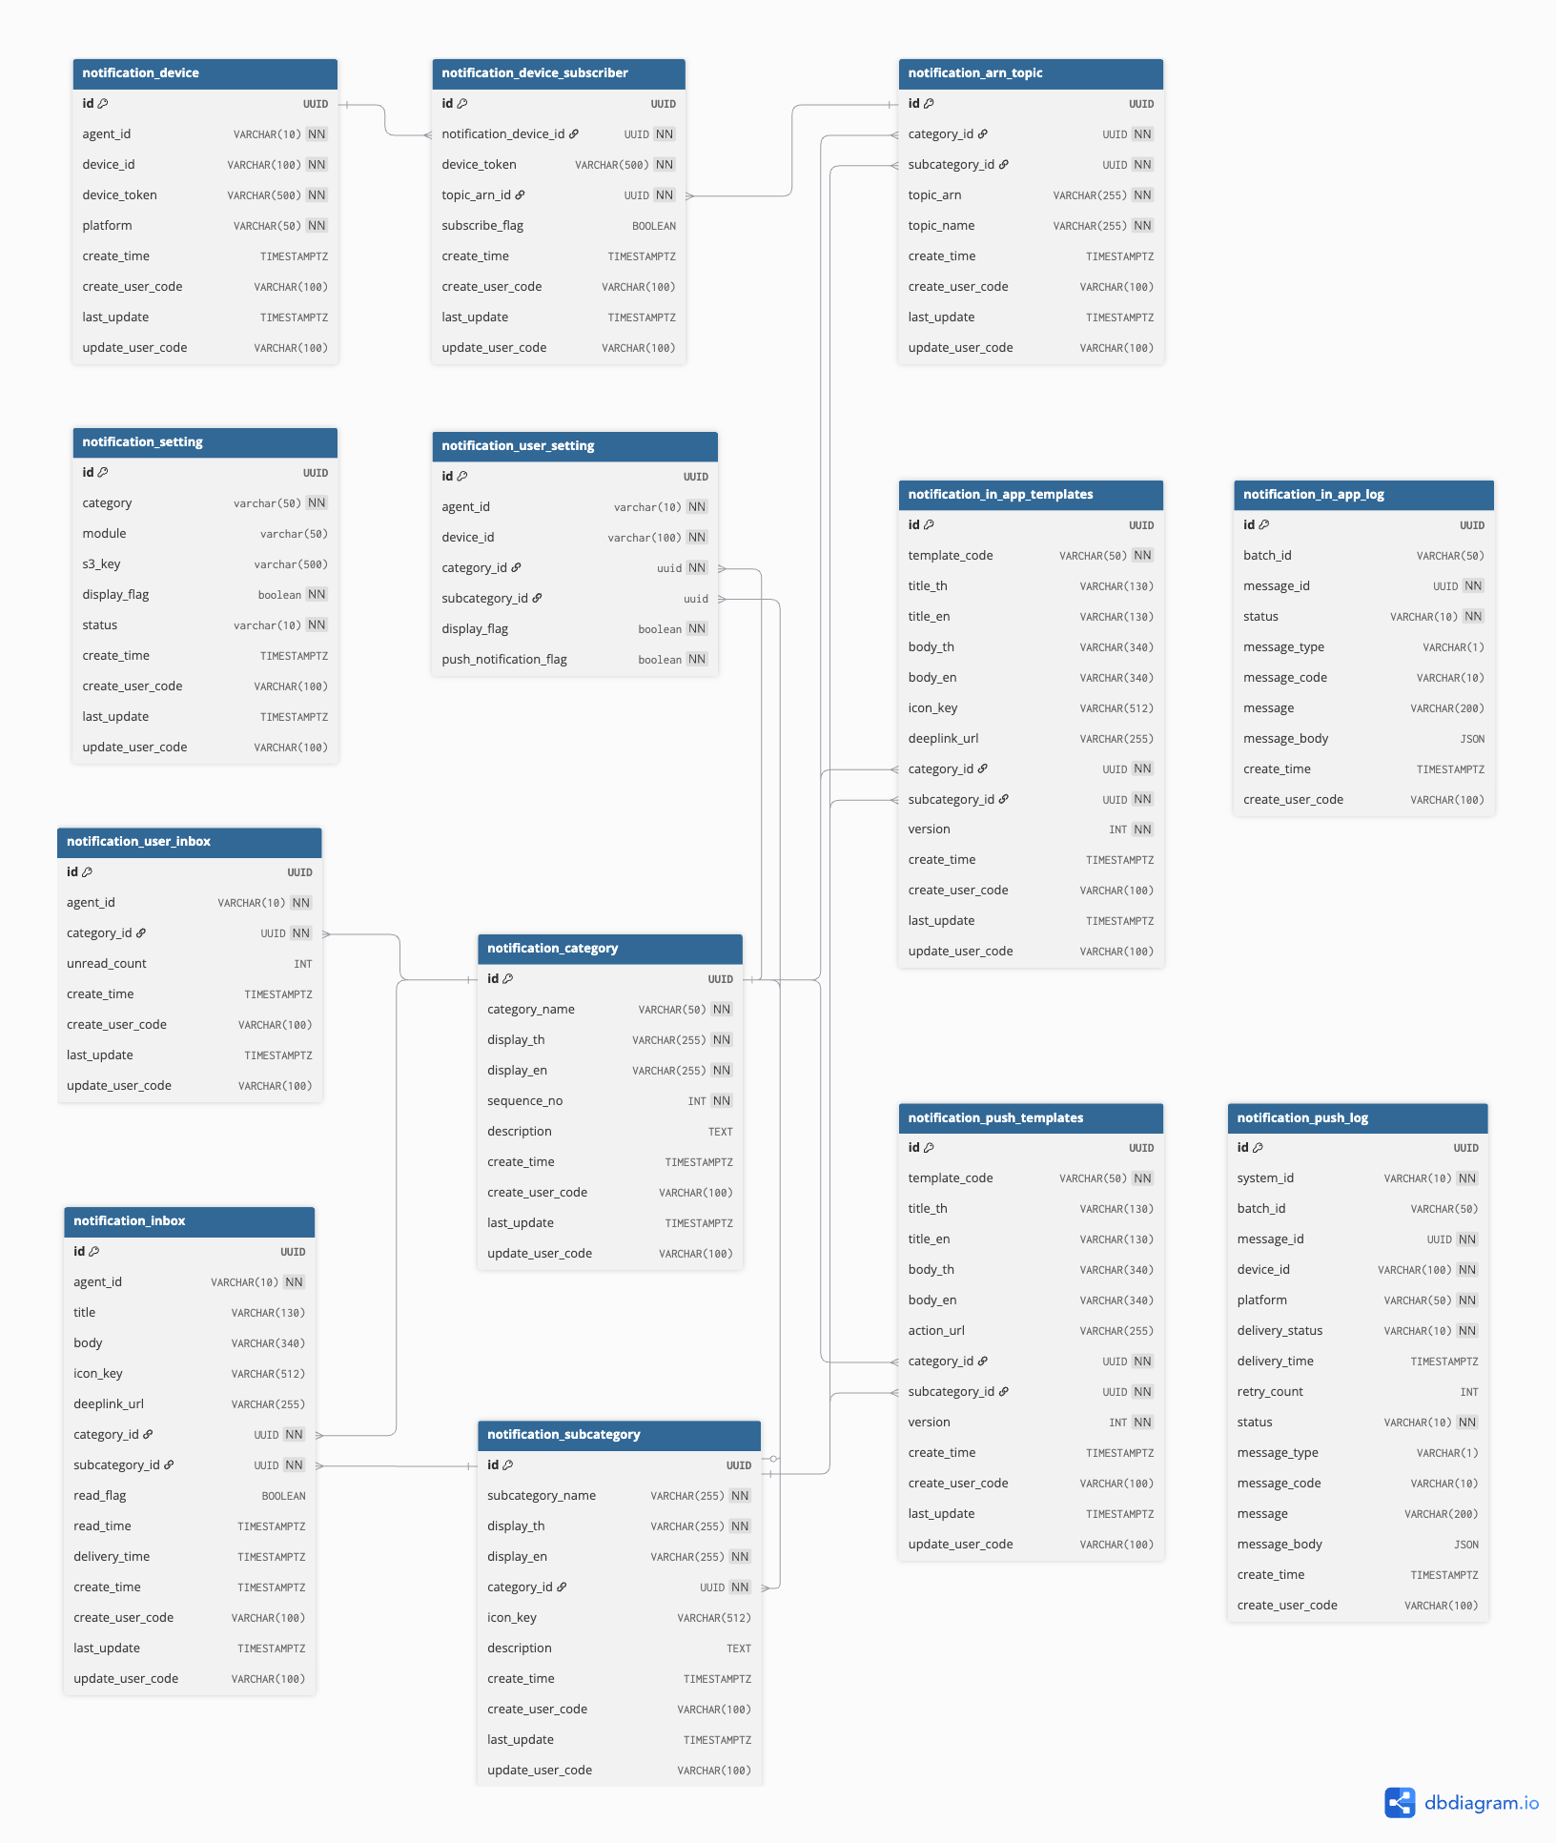
ms-common
notification_category Table → store category such as SELF / TEAM / …
notification_subcategory Table → store sub-category such as RECRUITMENT / SELLING /
notification_arn_topic Table → store Topic ARN of sub-category
notification_device Table → store Device ARN of user
notification_device_subscriber Table → store Topic ARN that device subscribe
notification_in_app_templates Table → store InApp notification template
notification_push_templates Table → store Push notification template
notification_in_app_log Table → store InApp notification log
notification_push_log Table → store Push notification log
notification_setting Table → store notification setting for display (must related to category and subcategory)
notification_user_setting Table → store user notification setting reference to category and subcategory
notification_inbox Table → store inbox after send InApp notification
notification_user_inbox Table → store number of unread notification for each user via category

ms-recruitment
notification_scheduler Table → manage and schedule notifications for recruitment
notification_license_exam Table → sync SFA for notification
notification_license_qualification Table → sync SFA for notification
notification_license_register Table → sync SFA for notification
notification_agent_appointment Table → sync SFA for notification

TLProTable(Old)
### Ref TLPro table ###
TLPro Dictionary : TLPROMPT Data Dictionary

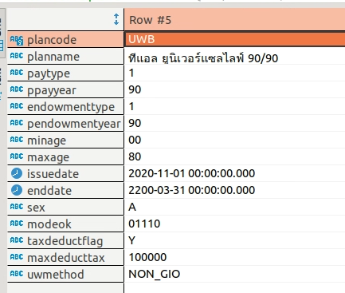
Table: ulplan
plancode | planname | paytype | ppayyear | endowmenttype | pendowmentyear | minage | maxage | issuedate | enddate | sex | modeok | taxdeductflag | maxdeducttax | uwmethod
UWB | ทีแอล ยูนิเวอร์แซลไลฟ์ 90/90 | 1 | 90 | 1 | 90 | 00 | 80 | 2020-11-01 00:00:00.000 | 2200-03-31 00:00:00.000 | A | 01110 | Y | 100000 | NON_GIO

Table: planrider
plancode | ridercode | ridertype | ridername | fullname | minage | maxage | minsum | maxsum | riderminsum | ridermaxsum | riderstep | status | gender | issuedate | hiddenrider
UWB | VPP | วพพ | เฮลท์ ฟิต อัลตร้า | เฮลท์ ฟิต อัลตร้า | 11 | 80 | 100000.0 | 999999999 |  |  |  |  |  | 2021-03-01 00:00:00.000 | false
UWB | C21 | C21 | เฮลท์ ฟิต มัลติเพย์ แคนเซอร์ | สัญญาเพิ่มเติม คุ้มครองโรคร้ายแรง มัลติเพย์ แคนเซอร์ | 16 | 70 | 0.0 | 0.0 |  |  |  |  |  | 2022-08-05 00:00:00.000 | false
UWB | S99 | S41 | เฮลท์ ฟิต 99 รีฟันด์ พลัส | การประกันสุขภาพ แบบ เฮลท์ ฟิต 99 รีฟันด์ พลัส | 0 | 80 | 0.0 | 0.0 |  |  |  |  |  | 2019-06-01 00:00:00.000 | false
UWB | H99 | S33 | เฮลท์ ฟิต 99 | การประกันสุขภาพ แบบ เฮลท์ ฟิต 99 | 0 | 80 | 0.0 | 0.0 |  |  |  |  |  | 2019-06-01 00:00:00.000 | false
UWB | VIP | V04 | เฮลท์ ฟิต วีไอพี ดิดักต์ | สัญญาเพิ่มเติม ประกันสุขภาพ แบบ เฮลท์ ฟิต วีไอพี ดิดักต์ | 6 | 80 | 0.0 | 0.0 |  |  |  |  |  | 2019-06-01 00:00:00.000 | false
UWB | AC01 | อ01 | อ.1 | อุบัติเหตุการเสียชีวิต และสูญเสียอวัยวะ | 0 | 64 | 0.0 | 6000000.0 |  |  |  |  |  | 2018-05-01 00:00:00.000 | false
UWB | AC02 | อ02 | อ.2 | อุบัติเหตุการเสียชีวิต และสูญเสียอวัยวะ และทุพพลภาพ | 5 | 64 | 0.0 | 3000000.0 |  |  |  |  |  | 2018-05-01 00:00:00.000 | false
UWB | AC03 | อ03 | อ.3 | ค่ารักษาพยาบาลเนื่องจากอุบัติเหตุ | 5 | 64 | 0.0 | 999999999 |  |  |  |  |  | 2018-05-01 00:00:00.000 | false
UWB | SR2 | สร2 | สร.2 | ค่ารักษาพยาบาลรายวันจากโรคร้ายแรง สร2 เบี้ยประกันปรับขึ้นตามอายุ | 20 | 70 | 0.0 | 3000.0 |  |  |  |  |  | 2018-05-01 00:00:00.000 | false
UWB | RP | รพ | รพ. | ค่ารักษาพยาบาลรายวัน (รพ.) เบี้ยปรับตามอายุ วันละ | 0 | 65 | 0.0 | 4000.0 |  |  |  |  |  | 2018-05-01 00:00:00.000 | false
UWB | KG1 | ฆจ1 | ฆจ.1 | การคุ้มครองการถูกฆ่า-ทำร้ายร่างกาย-จลาจล ฯลฯ | 0 | 64 | 0.0 | 2000000.0 |  |  |  |  |  | 2018-05-01 00:00:00.000 | false
UWB | HCG | รพG | รพ.โกลด์ | ค่ารักษาพยาบาลรายวันโกลด์ (รพ.โกลด์) | 0 | 70 | 0.0 | 4000.0 |  |  |  |  |  | 2018-05-01 00:00:00.000 | false
UWB | KG2 | ฆจ2 | ฆจ.2 | การคุ้มครองการถูกฆ่า-ทำร้ายร่างกาย-จลาจล ฯลฯ | 5 | 64 | 0.0 | 2000000.0 |  |  |  |  |  | 2018-05-01 00:00:00.000 | false
UWB | D11 | D11 | มัลติเพย์ | สัญญาเพิ่มเติม คุ้มครองโรคร้ายแรง มัลติเพย์ | 0 | 65 | 0.0 | 5000000.0 |  |  |  |  |  | 2020-03-01 00:00:00.000 | false
UWB | D10 | D10 | ทร.44 | คุ้มครองการเสียชีวิต ทุพพลภาพ และโรคร้ายแรง (ทร.44 โรค) | 20 | 65 | 0.0 | 1000000.0 |  |  |  |  |  | 2020-03-01 00:00:00.000 | false
UWB | D09 | D09 | ทร. | คุ้มครองการเสียชีวิต ทุพพลภาพ และโรคร้ายแรง (ทร.11 โรค) | 20 | 65 | 0.0 | 1000000.0 |  |  |  |  |  | 2020-03-01 00:00:00.000 | false
UWB | OP3 | OP3 | OP3 | OP3 | 0 | 60 | 0.0 | 4000.0 |  |  |  |  |  | 2015-06-01 00:00:00.000
UWB | SP | SPA | สพ.โกลด์ พลัส | สัญญาประกันสุขภาพโกลด์ (สพ.โกลด์ พลัส) เบี้ยประกันปรับตามอายุ | 6 | 70 | 0.0 | 999999999 |  |  |  |  |  | 2014-08-20 00:00:00.000 | false
UWB | NHG | NHG | เฮลท์ ฟิต เฮชบี โปร | ค่ารักษาพยาบาลรายวัน เฮลท์ ฟิต เฮชบี โปร | 0 | 70 | 0.0 | 5000.0 |  |  |  |  |  | 2024-09-01 00:00:00.000 | false
UWB | D28 | D28 | ทร.48 | คุ้มครองการเสียชีวิต ทุพพลภาพ และโรคร้ายแรงตลอดชีพ | 15 | 60 | 0.0 | 999999999 |  |  |  |  |  | 2024-08-14 00:00:00.000 | false
UWB | HFC | HHA | เฮลท์ ฟิต ชีลด์ | สัญญาประกันสุขภาพเฮลท์ ฟิต ชีลด์ | 0 | 80 | 0.0 | 0.0 |  |  |  |  |  | 2024-10-24 00:00:00.000 | false
UWB | HDD | SPV | เฮลท์ ฟิต ดีดี | สัญญาประกันสุขภาพเฮลท์ ฟิต ดีดี | 0 | 80 | 0.0 | 0.0 |  |  |  |  |  | 2021-05-01 00:00:00.000 | false
UWB | OP4 | OP4 | OP4 | การขยายความคุ้มครองสัญญาเพิ่มเติมประกันสุขภาพผลประโยชน์ ค่ารักษาพยาบาลผู้ป่วยนอก การทำกายภาพบำบัดและกิจกรรมบำบัด | 0 | 80 | 0.0 | 0.0 |  |  |  |  |  | 2021-05-01 00:00:00.000 | false

Table: mcadopastatus
applicationid | ownerstatus | ownerupdatetimestamp | payerstatus | payerupdatetimestamp | parentstatus | parentupdatetimestamp | ownercalendaroption | payercalendaroption | parentcalendaroption |  | CREATE TABLE information_schema.mcadopastatus ( applicationid varchar(12) NULL, ownerstatus varchar(5) NULL, ownerupdatetimestamp timestamp NULL, payerstatus varchar(5) NULL, payerupdatetimestamp timestamp NULL, parentstatus varchar(5) NULL, parentupdatetimestamp timestamp NULL, ownercalendaroption varchar(3) NULL, payercalendaroption varchar(3) NULL, parentcalendaroption varchar(3) NULL );
106861 | false | 2023-11-16 18:48:12.213 | false | 2023-11-16 18:48:00.665 |  |  | MY | MY
106908 | false | 2023-11-16 19:29:39.318 | false | 2023-11-16 19:29:39.308 |  |  | DMY | DMY
106909 | false | 2023-11-16 19:37:36.823 | false | 2023-11-16 19:37:36.745 |  |  | DMY | DMY
106914 | false | 2023-11-17 09:22:02.061 | false | 2023-11-17 09:22:02.015 |  |  | DMY | DMY
106939 | false | 2023-11-17 17:00:16.345 | false | 2023-11-17 17:00:16.327 |  |  | DMY | DMY
106915 | false | 2023-11-17 09:37:09.506 | false | 2023-11-17 09:37:09.489 | false | 2023-11-17 09:38:53.608 | DMY | DMY | DMY
106940 | false | 2023-11-17 17:03:33.171 | false | 2023-11-17 17:03:33.165 |  |  | DMY | DMY

applicationid | เลขที่ใบคำขอ
ownerstatus | สถานะการทำ DOPA ของผู้เอาประกัน [false]
payerstatus | สถานะการทำ DOPA ของผู้ชำระเงิน [false]
parentstatus | สถานะการทำ DOPA ของผู้ปกครอง [nullable]
ownercalendaroption | รูปแบบ DOB ที่ส่ง api DOPA ของผู้เอาประกัน
payercalendaroption | รูปแบบ DOB ที่ส่ง api DOPA ของผู้ชำระเงิน
parentcalendaroption | รูปแบบ DOB ที่ส่ง api DOPA ของผู้ปกครอง

CREATE TABLE public.quotation ( quotationno varchar(30) NOT NULL, customerid varchar(36) NOT NULL, agentid varchar(25) NOT NULL, devicerefno varchar(25) NULL, plancode varchar(10) NULL, planname varchar(100) NULL, "mode" varchar(25) NULL, occupationtype varchar(1) NULL, insureage varchar(2) NULL, lifesum varchar(14) NULL, lifepremium varchar(14) NULL, pname varchar(50) NULL, fname varchar(50) NULL, lname varchar(50) NULL, branch varchar(25) NULL, tax varchar(2) NULL, publishstatus varchar(2) NULL, packageno varchar(1) NULL, referenceno varchar(25) NULL, createdatetime timestamp NULL, lastmodify timestamp NULL, lastsync timestamp NULL, birthdate timestamp NULL, status varchar(2) NULL, pdfpath varchar(200) NULL, occgroup varchar(2) NULL, occ varchar(50) NULL, healthcheckflag varchar NULL, totalpremium varchar NULL, typeapp varchar NULL, ppayyear varchar NULL, pendowmentyear varchar NULL, paytype varchar NULL, endowmenttype varchar NULL, havetp varchar NULL, kbcoverageyear varchar NULL, soldier varchar NULL, pdflang varchar NULL, alfrescoid varchar NULL, gender varchar NULL, topuptype varchar NULL, savingsum varchar(14) NULL, savingpremium varchar(14) NULL, topuppremium varchar(14) NULL, referencenodate timestamp NULL, preferred varchar(1) NULL DEFAULT 'N'::character varying, firstdiscount int2 NULL, specialdiscount int2 NULL, premiumdiscount varchar(14) NULL, totalpremiumafterdiscount varchar(14) NULL, discounttype varchar(10) NULL, occupation varchar NULL, occupationbusiness varchar NULL, o

OL Product table |  |  | [R2_SP8] SetProduct_OL
Table: เกี่ยวกับ Application (ใบคำขอ) |  |  | application
LOV status ใบคำขอ |  |  | [TL Pro Plus] database

LOV ข้อคำถามสุขภาพ (ใบคำขอ) |  |  | TL Pro x Spark

table ที่ใช้ในการคำนวณลดหย่อนภาษี |  |  | tax_database
table ที่ใช้ Health check (MED, NON-MED) |  |  | application

ใช้ในการคำนวณภาษีเป็น condition พิเศษที่มีผลในการลดหย่อน
Y ลดหย่อนได้ 100% ไม่ต้องเปิดแฟ้ม
N ไม่สามารถลดหย่อน
S เปิดแฟ้ม TaxCondition -> ลดหย่อนได้ ตามช่วงอายุ
A เปิดแฟ้ม TaxSumCondition -> ลดหย่อนได้ ตามเพศ / ช่วงอายุ / ทุน
C เปิดแฟ้ม TaxFormula
F เปิดแฟ้ม TaxFixRate
J คิด tax จาก HiddenRider (ของเดิมเป็น JSON)
จะคำนวณจากหน้าบ้านส่งให้ใบเสนอขาย
เส้น ulPdfServiceV3 ==> แบบประกัน UL
quotationPdfServiceV2 ==> แบบประกัน OL

